RawDataImage
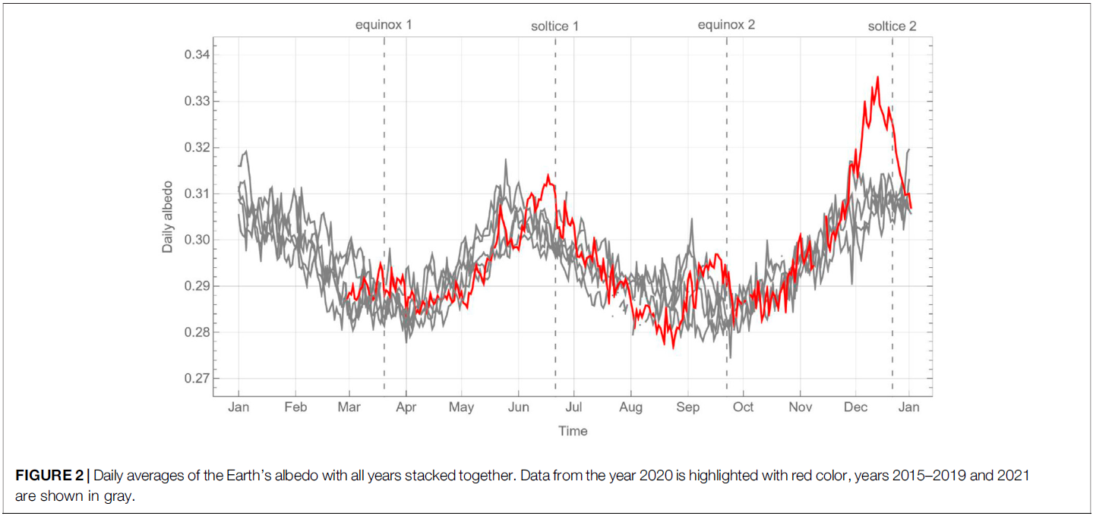

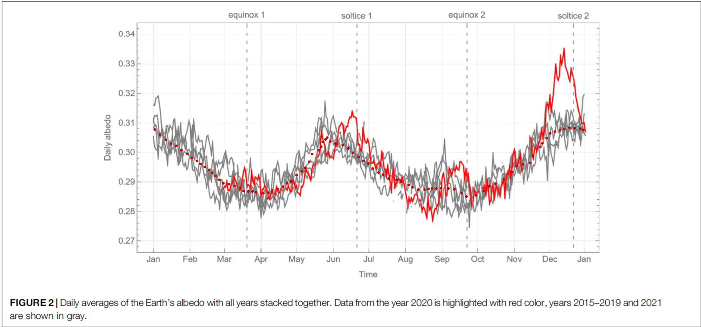

https://web.eecs.utk.edu/~dcostine/personal/PowerDeviceLib/DigiTest/index.html

DIGITIZED USING THIS LINK HERE.
https://web.eecs.utk.edu/~dcostine/personal/PowerDeviceLib/DigiTest/index.html

Graph
 | Equinox & Solstice |  | Albedo |  | dr/r = (DailyEarthSunDist -AveEarthSunDist) /AveEarthSunDist |  | dTe/Te
80 | -99 | 2.0938738739 | 0.30777083333 | 2.0938738739 | -0.016711012751 | 2.0938738739 | 0.0039119170503
80 | 99 | 6.4693693694 | 0.30602083333 | 6.4693693694 | -0.016704917643 | 6.4693693694 | 0.0045296519471
172 | 99 | 11.574114114 | 0.30427083333 | 11.574114114 | -0.016578286363 | 11.574114114 | 0.005087118758
172 | -99 | 15.94960961 | 0.30295833333 | 15.94960961 | -0.016368002086 | 15.94960961 | 0.0054475634577
266 | -99 | 20.325105105 | 0.30222916667 | 20.325105105 | -0.016065034562 | 20.325105105 | 0.0055547390501
266 | 99 | 24.700600601 | 0.30077083333 | 24.700600601 | -0.015671099334 | 24.700600601 | 0.0058750901451
356 | 99 | 29.805345345 | 0.29945833333 | 29.805345345 | -0.015099539144 | 29.805345345 | 0.0060548968886
356 | -99 | 33.451591592 | 0.29814583333 | 33.451591592 | -0.014619750814 | 33.451591592 | 0.0062805895618
 |  | 37.827087087 | 0.297125 | 37.827087087 | -0.013968290748 | 37.827087087 | 0.006316982625
 |  | 40.744084084 | 0.29610416667 | 40.744084084 | -0.013489796005 | 40.744084084 | 0.0064398583497
 |  | 44.39033033 | 0.29508333333 | 44.39033033 | -0.012844073451 | 44.39033033 | 0.0064791201692
 |  | 48.036576577 | 0.2940625 | 48.036576577 | -0.012147837275 | 48.036576577 | 0.0064931251776
 |  | 50.588948949 | 0.29304166667 | 50.588948949 | -0.01163187498 | 50.588948949 | 0.0065972671264
 |  | 53.505945946 | 0.29202083333 | 53.505945946 | -0.01101481143 | 53.505945946 | 0.0066508584479
 |  | 56.787567568 | 0.29070833333 | 56.787567568 | -0.010287551763 | 56.787567568 | 0.0067528154527
 |  | 60.069189189 | 0.28954166667 | 60.069189189 | -0.0095275180673 | 60.069189189 | 0.006786653572
 |  | 64.809309309 | 0.28925 | 64.809309309 | -0.0083767612154 | 64.809309309 | 0.0063147388879
 |  | 69.549429429 | 0.28866666667 | 69.549429429 | -0.0071703408882 | 69.549429429 | 0.0059184562079
 |  | 74.28954955 | 0.28808333333 | 74.28954955 | -0.0059162737338 | 74.28954955 | 0.0054983501143
 |  | 77.206546547 | 0.28691666667 | 77.206546547 | -0.0051244570706 | 77.206546547 | 0.00551629675
 |  | 81.217417417 | 0.28677083333 | 81.217417417 | -0.0040150586412 | 81.217417417 | 0.0050133294062
 |  | 84.863663664 | 0.28677083333 | 84.863663664 | -0.0029897950042 | 84.863663664 | 0.0045006975877
 |  | 87.780660661 | 0.28647916667 | 87.780660661 | -0.0021609228398 | 87.780660661 | 0.0041897252474
 |  | 93.979279279 | 0.2861875 | 93.979279279 | -0.00038412332054 | 93.979279279 | 0.0034047892295
 |  | 97.99015015 | 0.28633333333 | 97.99015015 | 0.00076916540383 | 97.99015015 | 0.0027764129964
 |  | 101.27177177 | 0.2870625 | 101.27177177 | 0.0017102899833 | 101.27177177 | 0.0020471913522
 |  | 106.01189189 | 0.28764583333 | 106.01189189 | 0.0030592924598 | 106.01189189 | 0.0011657626303
 |  | 110.38738739 | 0.288375 | 110.38738739 | 0.0042866840314 | 110.38738739 | 0.0002934074899
 |  | 114.03363363 | 0.28954166667 | 114.03363363 | 0.0052912594028 | 114.03363363 | -0.00062273516308
 |  | 117.31525526 | 0.290125 | 117.31525526 | 0.0061776959634 | 117.31525526 | -0.001272880927
 |  | 122.05537538 | 0.2923125 | 122.05537538 | 0.0074226343795 | 122.05537538 | -0.0026713281987
 |  | 126.43087087 | 0.293625 | 126.43087087 | 0.0085282132241 | 126.43087087 | -0.0036897044592
 |  | 129.34786787 | 0.29479166667 | 129.34786787 | 0.0092388131777 | 129.34786787 | -0.0044588594033
 |  | 132.62948949 | 0.29683333333 | 132.62948949 | 0.010010351935 | 132.62948949 | -0.0055688749746
 |  | 135.18186186 | 0.29945833333 | 135.18186186 | 0.010588511916 | 135.18186186 | -0.0067891286416
 |  | 140.65123123 | 0.30077083333 | 140.65123123 | 0.011757326786 | 140.65123123 | -0.0078391229147
 |  | 142.83897898 | 0.3019375 | 142.83897898 | 0.012196282688 | 142.83897898 | -0.0084724558328
 |  | 144.29747748 | 0.30354166667 | 144.29747748 | 0.012479362123 | 144.29747748 | -0.0091830461303
 |  | 146.48522523 | 0.30441666667 | 146.48522523 | 0.012889199106 | 146.48522523 | -0.0096983558476
 |  | 147.94372372 | 0.305 | 147.94372372 | 0.013152318187 | 147.94372372 | -0.010036842871
 |  | 150.4960961 | 0.3036875 | 150.4960961 | 0.01359275993 | 150.4960961 | -0.009791476905
 |  | 154.87159159 | 0.30310416667 | 154.87159159 | 0.014286406198 | 154.87159159 | -0.0099313725555
 |  | 161.07021021 | 0.30252083333 | 161.07021021 | 0.015129751757 | 161.07021021 | -0.010146117851
 |  | 165.81033033 | 0.30135416667 | 165.81033033 | 0.015659140863 | 165.81033033 | -0.009996957437
 |  | 169.8212012 | 0.29989583333 | 169.8212012 | 0.016025933252 | 169.8212012 | -0.0096630349224
 |  | 174.56132132 | 0.2984375 | 174.56132132 | 0.016360985373 | 174.56132132 | -0.0093132422738
 |  | 178.57219219 | 0.297125 | 178.57219219 | 0.016559643418 | 178.57219219 | -0.0089469844582
 |  | 182.58306306 | 0.29625 | 182.58306306 | 0.016679504011 | 182.58306306 | -0.0086965235289
 |  | 186.59393393 | 0.2945 | 186.59393393 | 0.016719996805 | 186.59393393 | -0.0080959874753
 |  | 191.33405405 | 0.2931875 | 191.33405405 | 0.016665286564 | 191.33405405 | -0.0076030455165
...

Graph (3)
 | Equinox & Solstice |  | -dr/2r |  | -dA/(4(1-A)) |  | dTe/Te
80 | -99 | 2.0938738739 | 0.0083555063757 | 2.0938738739 | -0.0045240005272 | 2.0938738739 | 0.0039119170503
80 | 99 | 6.4693693694 | 0.0083524588216 | 6.4693693694 | -0.0038821700194 | 6.4693693694 | 0.0045296519471
172 | 99 | 11.574114114 | 0.0082891431816 | 11.574114114 | -0.003243568364 | 11.574114114 | 0.005087118758
172 | -99 | 15.94960961 | 0.008184001043 | 15.94960961 | -0.0027667214274 | 15.94960961 | 0.0054475634577
266 | -99 | 20.325105105 | 0.0080325172809 | 20.325105105 | -0.0025025815997 | 20.325105105 | 0.0055547390501
266 | 99 | 24.700600601 | 0.0078355496668 | 24.700600601 | -0.0019759546381 | 24.700600601 | 0.0058750901451
356 | 99 | 29.805345345 | 0.0075497695722 | 29.805345345 | -0.0015038650305 | 29.805345345 | 0.0060548968886
356 | -99 | 33.451591592 | 0.0073098754071 | 33.451591592 | -0.0010335410822 | 33.451591592 | 0.0062805895618
 |  | 37.827087087 | 0.006984145374 | 37.827087087 | -0.00066894793756 | 37.827087087 | 0.006316982625
 |  | 40.744084084 | 0.0067448980023 | 40.744084084 | -0.00030541230406 | 40.744084084 | 0.0064398583497
 |  | 44.39033033 | 0.0064220367254 | 44.39033033 | 5.707041266E-05 | 44.39033033 | 0.0064791201692
 |  | 48.036576577 | 0.0060739186375 | 48.036576577 | 0.00041850478037 | 48.036576577 | 0.0064931251776
 |  | 50.588948949 | 0.0058159374899 | 50.588948949 | 0.00077889534045 | 50.588948949 | 0.0065972671264
 |  | 53.505945946 | 0.005507405715 | 53.505945946 | 0.0011382466081 | 53.505945946 | 0.0066508584479
 |  | 56.787567568 | 0.0051437758816 | 56.787567568 | 0.0015987497645 | 56.787567568 | 0.0067528154527
 |  | 60.069189189 | 0.0047637590336 | 60.069189189 | 0.0020066575123 | 60.069189189 | 0.006786653572
 |  | 64.809309309 | 0.0041883806077 | 64.809309309 | 0.0021084252105 | 64.809309309 | 0.0063147388879
 |  | 69.549429429 | 0.0035851704441 | 69.549429429 | 0.0023117102414 | 69.549429429 | 0.0059184562079
 |  | 74.28954955 | 0.0029581368669 | 74.28954955 | 0.0025146621352 | 74.28954955 | 0.0054983501143
 |  | 77.206546547 | 0.0025622285353 | 77.206546547 | 0.0029195697815 | 77.206546547 | 0.00551629675
 |  | 81.217417417 | 0.0020075293206 | 81.217417417 | 0.0029700900973 | 81.217417417 | 0.0050133294062
 |  | 84.863663664 | 0.0014948975021 | 84.863663664 | 0.0029700900973 | 84.863663664 | 0.0045006975877
 |  | 87.780660661 | 0.0010804614199 | 87.780660661 | 0.0030710687752 | 87.780660661 | 0.0041897252474
 |  | 93.979279279 | 0.00019206166027 | 93.979279279 | 0.0031719649325 | 93.979279279 | 0.0034047892295
 |  | 97.99015015 | -0.00038458270192 | 97.99015015 | 0.0031215271626 | 97.99015015 | 0.0027764129964
 |  | 101.27177177 | -0.00085514499163 | 101.27177177 | 0.0028690287976 | 101.27177177 | 0.0020471913522
 |  | 106.01189189 | -0.0015296462299 | 106.01189189 | 0.0026666579266 | 106.01189189 | 0.0011657626303
 |  | 110.38738739 | -0.0021433420157 | 110.38738739 | 0.0024132277792 | 110.38738739 | 0.0002934074899
 |  | 114.03363363 | -0.0026456297014 | 114.03363363 | 0.0020066575123 | 114.03363363 | -0.00062273516308
 |  | 117.31525526 | -0.0030888479817 | 117.31525526 | 0.0018028712356 | 117.31525526 | -0.001272880927
 |  | 122.05537538 | -0.0037113171898 | 122.05537538 | 0.0010356806053 | 122.05537538 | -0.0026713281987
 |  | 126.43087087 | -0.004264106612 | 126.43087087 | 0.00057308542685 | 126.43087087 | -0.0036897044592
 |  | 129.34786787 | -0.0046194065889 | 129.34786787 | 0.00016044415016 | 129.34786787 | -0.0044588594033
 |  | 132.62948949 | -0.0050051759675 | 132.62948949 | -0.00056497290582 | 132.62948949 | -0.0055688749746
 |  | 135.18186186 | -0.005294255958 | 135.18186186 | -0.0015038650305 | 135.18186186 | -0.0067891286416
 |  | 140.65123123 | -0.005878663393 | 140.65123123 | -0.0019759546381 | 140.65123123 | -0.0078391229147
 |  | 142.83897898 | -0.0060981413438 | 142.83897898 | -0.0023970801778 | 142.83897898 | -0.0084724558328
 |  | 144.29747748 | -0.0062396810613 | 144.29747748 | -0.0029784315141 | 144.29747748 | -0.0091830461303
 |  | 146.48522523 | -0.0064445995532 | 146.48522523 | -0.0032966624391 | 146.48522523 | -0.0096983558476
 |  | 147.94372372 | -0.0065761590934 | 147.94372372 | -0.0035092615563 | 147.94372372 | -0.010036842871
 |  | 150.4960961 | -0.006796379965 | 150.4960961 | -0.0030314144606 | 150.4960961 | -0.009791476905
 |  | 154.87159159 | -0.0071432030992 | 154.87159159 | -0.002819615722 | 154.87159159 | -0.0099313725555
 |  | 161.07021021 | -0.0075648758787 | 161.07021021 | -0.0026081712571 | 161.07021021 | -0.010146117851
 |  | 165.81033033 | -0.0078295704317 | 165.81033033 | -0.0021863415988 | 165.81033033 | -0.009996957437
 |  | 169.8212012 | -0.0080129666262 | 169.8212012 | -0.0016610315583 | 169.8212012 | -0.0096630349224
 |  | 174.56132132 | -0.0081804926866 | 174.56132132 | -0.0011379054348 | 174.56132132 | -0.0093132422738
 |  | 178.57219219 | -0.0082798217092 | 178.57219219 | -0.00066894793756 | 178.57219219 | -0.0089469844582
 |  | 182.58306306 | -0.0083397520054 | 182.58306306 | -0.00035728139483 | 182.58306306 | -0.0086965235289
 |  | 186.59393393 | -0.0083599984027 | 186.59393393 | 0.00026373241444 | 186.59393393 | -0.0080959874753
 |  | 191.33405405 | -0.0083326432821 | 191.33405405 | 0.0007274747099 | 191.33405405 | -0.0076030455165
...

Graph (2)
 | Equinox & Solstice |  | dr/r = (DailyEarthSunDist -AveEarthSunDist) /AveEarthSunDist
80 | -99 | 2.0938738739 | -0.016711012751
80 | 99 | 6.4693693694 | -0.016704917643
172 | 99 | 11.574114114 | -0.016578286363
172 | -99 | 15.94960961 | -0.016368002086
266 | -99 | 20.325105105 | -0.016065034562
266 | 99 | 24.700600601 | -0.015671099334
356 | 99 | 29.805345345 | -0.015099539144
356 | -99 | 33.451591592 | -0.014619750814
 |  | 37.827087087 | -0.013968290748
 |  | 40.744084084 | -0.013489796005
 |  | 44.39033033 | -0.012844073451
 |  | 48.036576577 | -0.012147837275
 |  | 50.588948949 | -0.01163187498
 |  | 53.505945946 | -0.01101481143
 |  | 56.787567568 | -0.010287551763
 |  | 60.069189189 | -0.0095275180673
 |  | 64.809309309 | -0.0083767612154
 |  | 69.549429429 | -0.0071703408882
 |  | 74.28954955 | -0.0059162737338
 |  | 77.206546547 | -0.0051244570706
 |  | 81.217417417 | -0.0040150586412
 |  | 84.863663664 | -0.0029897950042
 |  | 87.780660661 | -0.0021609228398
 |  | 93.979279279 | -0.00038412332054
 |  | 97.99015015 | 0.00076916540383
 |  | 101.27177177 | 0.0017102899833
 |  | 106.01189189 | 0.0030592924598
 |  | 110.38738739 | 0.0042866840314
 |  | 114.03363363 | 0.0052912594028
 |  | 117.31525526 | 0.0061776959634
 |  | 122.05537538 | 0.0074226343795
 |  | 126.43087087 | 0.0085282132241
 |  | 129.34786787 | 0.0092388131777
 |  | 132.62948949 | 0.010010351935
 |  | 135.18186186 | 0.010588511916
 |  | 140.65123123 | 0.011757326786
 |  | 142.83897898 | 0.012196282688
 |  | 144.29747748 | 0.012479362123
 |  | 146.48522523 | 0.012889199106
 |  | 147.94372372 | 0.013152318187
 |  | 150.4960961 | 0.01359275993
 |  | 154.87159159 | 0.014286406198
 |  | 161.07021021 | 0.015129751757
 |  | 165.81033033 | 0.015659140863
 |  | 169.8212012 | 0.016025933252
 |  | 174.56132132 | 0.016360985373
 |  | 178.57219219 | 0.016559643418
 |  | 182.58306306 | 0.016679504011
 |  | 186.59393393 | 0.016719996805
 |  | 191.33405405 | 0.016665286564
...

Sheet3
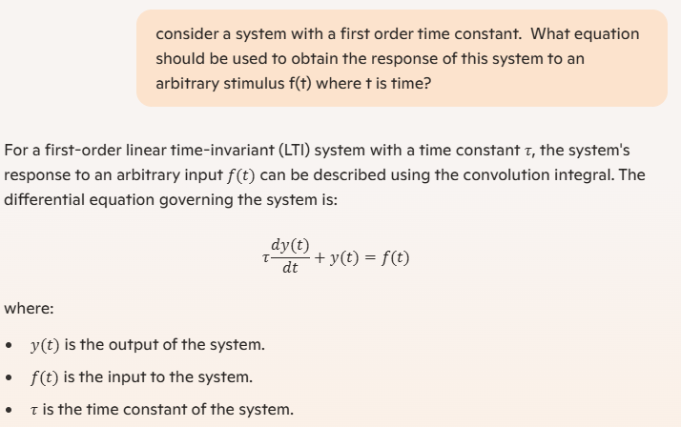
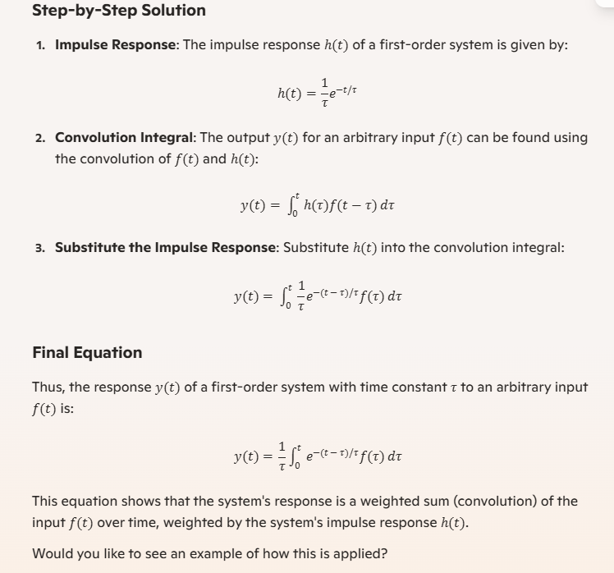

data_Digitized
Day of Year | Albedo | Ave Albedo | dA | -dA/(4(1-A)) | dr/r = (DailyEarthSunDist -AveEarthSunDist) /AveEarthSunDist | -dr/2r | dTe/Te | dDayOfYear | (dTe/Te)*dDay | Ave(dTe/Te) | type | day | Equinox & Solstice
2.0938738739 | 0.30777083333 | 0.29524425287 | 0.01252658046 | -0.0045240005272 | -0.016711012751 | 0.0083555063757 | 0.0039119170503 | 4.3754954955 | 0.017116575432 | 0.00019092186707 | vernal Equinox | 80 | -99 | EarthSunFromThisEqu
6.4693693694 | 0.30602083333 |  | 0.01077658046 | -0.0038821700194 | -0.016704917643 | 0.0083524588216 | 0.0045296519471 | 5.1047447447 | 0.023122716972 |  |  | 80 | 99 | 1−0.01672∗cos(0.9856∗(day−4))
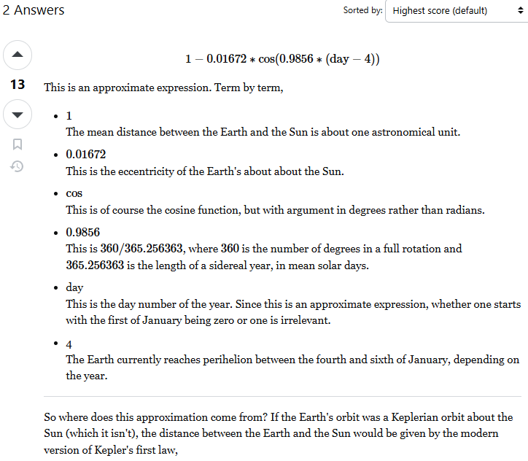
11.574114114 | 0.30427083333 |  | 0.0090265804598 | -0.003243568364 | -0.016578286363 | 0.0082891431816 | 0.005087118758 | 4.3754954955 | 0.022258665211 |  | Summer | 172 | 99 | https://physics.stackexchange.com/questions/177949/earth-sun-distance-on-a-given-day-of-the-year
15.94960961 | 0.30295833333 |  | 0.0077140804598 | -0.0027667214274 | -0.016368002086 | 0.008184001043 | 0.0054475634577 | 4.3754954955 | 0.02383578937 |  |  | 172 | -99
20.325105105 | 0.30222916667 |  | 0.0069849137931 | -0.0025025815997 | -0.016065034562 | 0.0080325172809 | 0.0055547390501 | 4.3754954955 | 0.024304735692 |  | Autumnal Equinox | 266 | -99
24.700600601 | 0.30077083333 |  | 0.0055265804598 | -0.0019759546381 | -0.015671099334 | 0.0078355496668 | 0.0058750901451 | 5.1047447447 | 0.029990835543 |  |  | 266 | 99
29.805345345 | 0.29945833333 |  | 0.0042140804598 | -0.0015038650305 | -0.015099539144 | 0.0075497695722 | 0.0060548968886 | 3.6462462462 | 0.022077645052 |  | Winter | 356 | 99
33.451591592 | 0.29814583333 |  | 0.0029015804598 | -0.0010335410822 | -0.014619750814 | 0.0073098754071 | 0.0062805895618 | 4.3754954955 | 0.027480691337 |  |  | 356 | -99
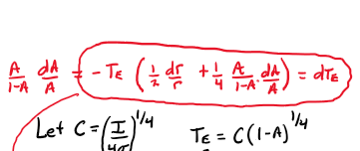
37.827087087 | 0.297125 |  | 0.0018807471264 | -0.00066894793756 | -0.013968290748 | 0.006984145374 | 0.006316982625 | 2.916996997 | 0.018426619347
40.744084084 | 0.29610416667 |  | 0.0008599137931 | -0.00030541230406 | -0.013489796005 | 0.0067448980023 | 0.0064398583497 | 3.6462462462 | 0.023481309334
$$\frac{dT_{E}}{T_{E}}=−\frac{dr}{2r}−\frac{dA}{4(1−A)}$$
44.39033033 | 0.29508333333 |  | -0.00016091954023 | 5.707041266E-05 | -0.012844073451 | 0.0064220367254 | 0.0064791201692 | 3.6462462462 | 0.023624467596
48.036576577 | 0.2940625 |  | -0.0011817528736 | 0.00041850478037 | -0.012147837275 | 0.0060739186375 | 0.0064931251776 | 2.5523723724 | 0.016572873314
50.588948949 | 0.29304166667 |  | -0.0022025862069 | 0.00077889534045 | -0.01163187498 | 0.0058159374899 | 0.0065972671264 | 2.916996997 | 0.019244208396
53.505945946 | 0.29202083333 |  | -0.0032234195402 | 0.0011382466081 | -0.01101481143 | 0.005507405715 | 0.0066508584479 | 3.2816216216 | 0.021825600885
56.787567568 | 0.29070833333 |  | -0.0045359195402 | 0.0015987497645 | -0.010287551763 | 0.0051437758816 | 0.0067528154527 | 3.2816216216 | 0.022160185196
60.069189189 | 0.28954166667 |  | -0.0057025862069 | 0.0020066575123 | -0.0095275180673 | 0.0047637590336 | 0.006786653572 | 4.7401201201 | 0.032169553145
64.809309309 | 0.28925 |  | -0.0059942528736 | 0.0021084252105 | -0.0083767612154 | 0.0041883806077 | 0.0063147388879 | 4.7401201201 | 0.029932620856
69.549429429 | 0.28866666667 |  | -0.0065775862069 | 0.0023117102414 | -0.0071703408882 | 0.0035851704441 | 0.0059184562079 | 4.7401201201 | 0.028054193351
74.28954955 | 0.28808333333 |  | -0.0071609195402 | 0.0025146621352 | -0.0059162737338 | 0.0029581368669 | 0.0054983501143 | 2.916996997 | 0.016038670772
77.206546547 | 0.28691666667 |  | -0.0083275862069 | 0.0029195697815 | -0.0051244570706 | 0.0025622285353 | 0.00551629675 | 4.0108708709 | 0.02212515395
81.217417417 | 0.28677083333 |  | -0.0084734195402 | 0.0029700900973 | -0.0040150586412 | 0.0020075293206 | 0.0050133294062 | 3.6462462462 | 0.018279833529
84.863663664 | 0.28677083333 |  | -0.0084734195402 | 0.0029700900973 | -0.0029897950042 | 0.0014948975021 | 0.0045006975877 | 2.916996997 | 0.013128521348
87.780660661 | 0.28647916667 |  | -0.0087650862069 | 0.0030710687752 | -0.0021609228398 | 0.0010804614199 | 0.0041897252474 | 6.1986186186 | 0.025970508925
93.979279279 | 0.2861875 |  | -0.0090567528736 | 0.0031719649325 | -0.00038412332054 | 0.00019206166027 | 0.0034047892295 | 4.0108708709 | 0.013656169942
97.99015015 | 0.28633333333 |  | -0.0089109195402 | 0.0031215271626 | 0.00076916540383 | -0.00038458270192 | 0.0027764129964 | 3.2816216216 | 0.0091111369197
101.27177177 | 0.2870625 |  | -0.0081817528736 | 0.0028690287976 | 0.0017102899833 | -0.00085514499163 | 0.0020471913522 | 4.7401201201 | 0.0097039329182
106.01189189 | 0.28764583333 |  | -0.0075984195402 | 0.0026666579266 | 0.0030592924598 | -0.0015296462299 | 0.0011657626303 | 4.3754954955 | 0.0051007891376
110.38738739 | 0.288375 |  | -0.0068692528736 | 0.0024132277792 | 0.0042866840314 | -0.0021433420157 | 0.0002934074899 | 3.6462462462 | 0.0010698359587
114.03363363 | 0.28954166667 |  | -0.0057025862069 | 0.0020066575123 | 0.0052912594028 | -0.0026456297014 | -0.00062273516308 | 3.2816216216 | -0.0020435811757
117.31525526 | 0.290125 |  | -0.0051192528736 | 0.0018028712356 | 0.0061776959634 | -0.0030888479817 | -0.001272880927 | 4.7401201201 | -0.0060336084926
122.05537538 | 0.2923125 |  | -0.0029317528736 | 0.0010356806053 | 0.0074226343795 | -0.0037113171898 | -0.0026713281987 | 4.3754954955 | -0.0116883845
126.43087087 | 0.293625 |  | -0.0016192528736 | 0.00057308542685 | 0.0085282132241 | -0.004264106612 | -0.0036897044592 | 2.916996997 | -0.010762856827
129.34786787 | 0.29479166667 |  | -0.0004525862069 | 0.00016044415016 | 0.0092388131777 | -0.0046194065889 | -0.0044588594033 | 3.2816216216 | -0.014632289426
132.62948949 | 0.29683333333 |  | 0.0015890804598 | -0.00056497290582 | 0.010010351935 | -0.0050051759675 | -0.0055688749746 | 2.5523723724 | -0.01421384263
135.18186186 | 0.29945833333 |  | 0.0042140804598 | -0.0015038650305 | 0.010588511916 | -0.005294255958 | -0.0067891286416 | 5.4693693694 | -0.037132252237
140.65123123 | 0.30077083333 |  | 0.0055265804598 | -0.0019759546381 | 0.011757326786 | -0.005878663393 | -0.0078391229147 | 2.1877477477 | -0.017150023501
142.83897898 | 0.3019375 |  | 0.0066932471264 | -0.0023970801778 | 0.012196282688 | -0.0060981413438 | -0.0084724558328 | 1.4584984985 | -0.012357064111
144.29747748 | 0.30354166667 |  | 0.0082974137931 | -0.0029784315141 | 0.012479362123 | -0.0062396810613 | -0.0091830461303 | 2.1877477477 | -0.020090188489
146.48522523 | 0.30441666667 |  | 0.0091724137931 | -0.0032966624391 | 0.012889199106 | -0.0064445995532 | -0.0096983558476 | 1.4584984985 | -0.014145037442
147.94372372 | 0.305 |  | 0.0097557471264 | -0.0035092615563 | 0.013152318187 | -0.0065761590934 | -0.010036842871 | 2.5523723724 | -0.025617760451
150.4960961 | 0.3036875 |  | 0.0084432471264 | -0.0030314144606 | 0.01359275993 | -0.006796379965 | -0.009791476905 | 4.3754954955 | -0.042842563092
154.87159159 | 0.30310416667 |  | 0.0078599137931 | -0.002819615722 | 0.014286406198 | -0.0071432030992 | -0.0099313725555 | 6.1986186186 | -0.061560790831
161.07021021 | 0.30252083333 |  | 0.0072765804598 | -0.0026081712571 | 0.015129751757 | -0.0075648758787 | -0.010146117851 | 4.7401201201 | -0.048093817368
165.81033033 | 0.30135416667 |  | 0.0061099137931 | -0.0021863415988 | 0.015659140863 | -0.0078295704317 | -0.009996957437 | 4.0108708709 | -0.040096505381
169.8212012 | 0.29989583333 |  | 0.0046515804598 | -0.0016610315583 | 0.016025933252 | -0.0080129666262 | -0.0096630349224 | 4.7401201201 | -0.045803946257
174.56132132 | 0.2984375 |  | 0.0031932471264 | -0.0011379054348 | 0.016360985373 | -0.0081804926866 | -0.0093132422738 | 4.0108708709 | -0.037354212149
178.57219219 | 0.297125 |  | 0.0018807471264 | -0.00066894793756 | 0.016559643418 | -0.0082798217092 | -0.0089469844582 | 4.0108708709 | -0.035885199345
182.58306306 | 0.29625 |  | 0.0010057471264 | -0.00035728139483 | 0.016679504011 | -0.0083397520054 | -0.0086965235289 | 4.0108708709 | -0.0348806329
186.59393393 | 0.2945 |  | -0.00074425287356 | 0.00026373241444 | 0.016719996805 | -0.0083599984027 | -0.0080959874753 | 4.7401201201 | -0.038375953124
191.33405405 | 0.2931875 |  | -0.0020567528736 | 0.0007274747099 | 0.016665286564 | -0.0083326432821 | -0.0076030455165 | 4.0108708709 | -0.030494833792
195.34492492 | 0.29245833333 |  | -0.0027859195402 | 0.00098436589373 | 0.016532462077 | -0.0082662310383 | -0.0072779739182 | 4.7401201201 | -0.034498470603
200.08504505 | 0.29114583333 |  | -0.0040984195402 | 0.001445438192 | 0.016274137024 | -0.0081370685122 | -0.0066832245539 | 6.5632432432 | -0.043863628397
206.64828829 | 0.29070833333 |  | -0.0045359195402 | 0.0015987497645 | 0.01573841916 | -0.0078692095802 | -0.0062601700092 | 4.0108708709 | -0.025108733536
210.65915916 | 0.290125 |  | -0.0051192528736 | 0.0018028712356 | 0.015311840591 | -0.0076559202953 | -0.0058399532406 | 6.1986186186 | -0.036199642889
216.85777778 | 0.28895833333 |  | -0.0062859195402 | 0.0022101094194 | 0.014510107718 | -0.0072550538588 | -0.0050252318368 | 3.2816216216 | -0.016490909449
220.1393994 | 0.28822916667 |  | -0.0070150862069 | 0.0024639553485 | 0.014018280331 | -0.0070091401654 | -0.0045206587889 | 4.7401201201 | -0.021428465681
224.87951952 | 0.28735416667 |  | -0.0078900862069 | 0.0027678847745 | 0.0132294619 | -0.00661473095 | -0.003815858348 | 5.4693693694 | -0.020870338767
230.34888889 | 0.28735416667 |  | -0.0078900862069 | 0.0027678847745 | 0.012210413679 | -0.0061052068394 | -0.0033063342374 | 3.2816216216 | -0.010850137922
233.63051051 | 0.28764583333 |  | -0.0075984195402 | 0.0026666579266 | 0.011546525121 | -0.0057732625607 | -0.0030778537005 | 2.916996997 | -0.0089780900016
236.54750751 | 0.28779166667 |  | -0.0074525862069 | 0.0026160134114 | 0.010925452414 | -0.005462726207 | -0.0028190492178 | 3.6462462462 | -0.010278947628
240.19375375 | 0.28779166667 |  | -0.0074525862069 | 0.0026160134114 | 0.010110625628 | -0.0050553128142 | -0.0024116358249 | 4.0108708709 | -0.0096727598813
244.20462462 | 0.2879375 |  | -0.0073067528736 | 0.0025653481519 | 0.0091685175233 | -0.0045842587617 | -0.0019923136433 | 6.1986186186 | -0.012349592444
250.40324324 | 0.28779166667 |  | -0.0074525862069 | 0.0026160134114 | 0.0076283891573 | -0.0038141945787 | -0.0011705175894 | 5.1047447447 | -0.0059751935132
255.50798799 | 0.2875 |  | -0.0077442528736 | 0.00271728171 | 0.0062941809982 | -0.0031470904991 | -0.00039994976801 | 6.1986186186 | -0.0024791360785
261.70660661 | 0.2861875 |  | -0.0090567528736 | 0.0031719649325 | 0.0046098820114 | -0.0023049410057 | 0.00090778656359 | 4.0108708709 | 0.0036410146849
265.71747748 | 0.28502083333 |  | -0.01022341954 | 0.0035747263756 | 0.0034909121838 | -0.0017454560919 | 0.0018811264446 | 8.0217417417 | 0.015089910522
273.73921922 | 0.28545833333 |  | -0.0097859195402 | 0.0034238449613 | 0.0012085425821 | -0.00060427129103 | 0.0028671156328 | 6.5632432432 | 0.018817577304
280.30246246 | 0.28691666667 |  | -0.0083275862069 | 0.0029195697815 | -0.00067791609533 | 0.00033895804766 | 0.0032930262624 | 4.7401201201 | 0.015609340042
285.04258258 | 0.28852083333 |  | -0.0067234195402 | 0.0023624794144 | -0.0020363721176 | 0.0010181860588 | 0.0034032036935 | 5.1047447447 | 0.01737248617
290.14732733 | 0.28939583333 |  | -0.0058484195402 | 0.002057551804 | -0.0034839345977 | 0.0017419672988 | 0.0038165937081 | 7.2924924925 | 0.027832480963
297.43981982 | 0.29085416667 |  | -0.0043900862069 | 0.0015476669257 | -0.0055025873128 | 0.0027512936564 | 0.0043086013566 | 6.9278678679 | 0.029849420894
304.36768769 | 0.29333333333 |  | -0.0019109195402 | 0.00067603285621 | -0.0073406826207 | 0.0036703413103 | 0.004348207205 | 3.6462462462 | 0.015854634199
308.01393393 | 0.295375 |  | 0.00013074712644 | -4.6388904182E-05 | -0.0082678746522 | 0.0041339373261 | 0.004087557028 | 5.4693693694 | 0.022356359205
313.4833033 | 0.29595833333 |  | 0.00071408045977 | -0.00025356470134 | -0.009596589905 | 0.0047982949525 | 0.0045449871708 | 6.1986186186 | 0.028172642098
319.68192192 | 0.29639583333 |  | 0.0011515804598 | -0.00040917198701 | -0.010999250961 | 0.0054996254806 | 0.0050911220861 | 2.1877477477 | 0.011138090877
321.86966967 | 0.298875 |  | 0.0036307471264 | -0.0012946147714 | -0.011465257308 | 0.0057326286542 | 0.0044446834543 | 6.1986186186 | 0.027550897614
328.06828829 | 0.30179166667 |  | 0.0065474137931 | -0.0023443625207 | -0.012695340035 | 0.0063476700174 | 0.0040250873993 | 1.8231231231 | 0.0073382299102
329.89141141 | 0.30310416667 |  | 0.0078599137931 | -0.002819615722 | -0.013030270217 | 0.0065151351086 | 0.0037269656524 | 3.6462462462 | 0.01358943452
333.53765766 | 0.30485416667 |  | 0.0096099137931 | -0.0034560783264 | -0.013661369918 | 0.0068306849592 | 0.003421733052 | 2.916996997 | 0.0099811850372
336.45465465 | 0.30645833333 |  | 0.01121408046 | -0.0040423239867 | -0.014127677692 | 0.0070638388462 | 0.003085836359 | 4.0108708709 | 0.012376891164
340.46552553 | 0.30704166667 |  | 0.011797413793 | -0.0042561771847 | -0.014710557694 | 0.0073552788471 | 0.0031703488763 | 4.3754954955 | 0.013871847227
344.84102102 | 0.30747916667 |  | 0.012234913793 | -0.0044168035112 | -0.015266506473 | 0.0076332532365 | 0.0032931276529 | 3.6462462462 | 0.012007554343
348.48726727 | 0.30791666667 |  | 0.012672413793 | -0.0045776329174 | -0.015663880928 | 0.0078319404641 | 0.0033366192678 | 4.3754954955 | 0.014599362576
352.86276276 | 0.30835416667 |  | 0.013109913793 | -0.0047386657886 | -0.016059293175 | 0.0080296465875 | 0.0033791297784 | 4.3754954955 | 0.014785367124
357.23825826 | 0.30820833333 |  | 0.01296408046 | -0.0046849655339 | -0.016363770228 | 0.0081818851141 | 0.003583100176 | 4.7401201201 | 0.016984325237
...

